CoP graphs
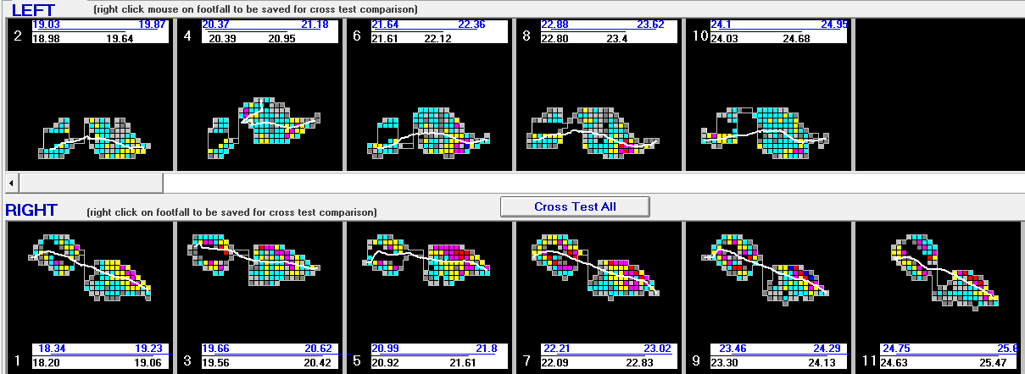
BF

SHOD

